Sheet1
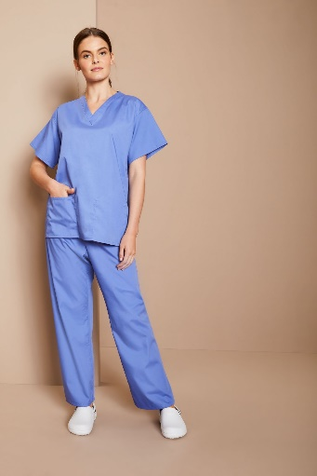
SCRUB TOPS & TROUSERS:
Style UM001200 - Unisex Reversible Scrub Top D21
Colour | Small | X-Large |  | Total

Ceil | 1890 | 944 |  | 2834

Style UT000100 - Unisex Reversible Scrub Trousers
Colour | Small | Medium | Large | X-Large | 2X-Large |  | Total

Ciel | 3018 | 89 | 690 | 1443 | 40 |  | 5280

Style UM019000 - Unisex Smart Scrub Top
Colour | X-Small | Small | Medium |  | Total

H. Blue | 20 | 20 | 23 |  | 63
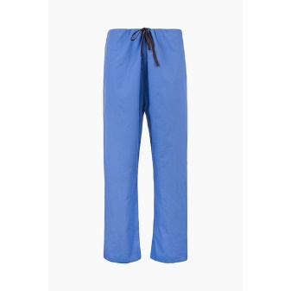
Style UT000700 - Unisex Lightweight Scrub Trousers
Colour | X-Small | Large | X-Large | 3X-Large |  | Total

Hosp Blue | 5 | 495 | 450 | 2 |  | 952

Style UM001800 - Unisex Lightweight Scrub Top
Colour | X-Small | Medium | X-Large | 3X-Large |  | Total

Hosp Blue | 120 | 272 | 94 | 1 |  | 487

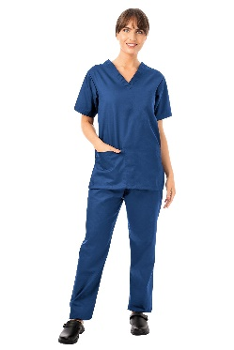
Style UM001300 - Unisex Reversible Scrub Top D21
Colour | Small | X-Large |  | Total

Navy | 2860 | 1286 |  | 4146

Style FM281000 - Fitted Scrub Top
Colour | X-Small | Small | Medium | Large |  | Total

Navy/Blue | 13 | 122 | 124 | 28 |  | 287

Style UT000200 - Unisex Reversible Scrub Trousers
Colour | Small | X-Large |  | Total

Navy | 2713 | 1320 |  | 4033

Style UT000800 - Unisex Lightweight Scrub Trousers
Colour | Small | Large |  | Total
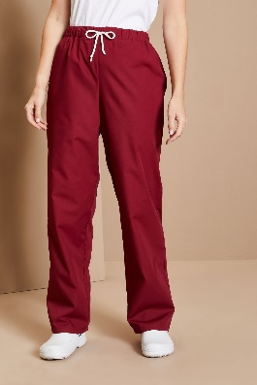
Burgundy | 185 | 360 |  | 545

 |  | Total | 18627

